S Str&Pad
Cambodia |  |  | perc_baseline |  | perc_target |  | RR_d | RR_i | perc_fatal_side | perc_nonfatal_side |  |  |  | lcl_bl_deaths | lcl_bl_nonfatal |  | affected_deaths | rest_deaths | affected_deaths= affected_deaths* (1 - `prop_target'*(1-`RR_d'))/(1 - `prop_baseline'*(1-`RR_d'))
REG | TECHNOLOGY |  | CURRENT AVAILABILITY | INTERVENTION | COUNTERFACTUAL USE | Affected Groups | RELATIVE RISK (death) | RELATIVE RISK (injury) | PROP. OF SIDE CRASHES (death) | PROP OF SIDE CRASHES (injuries) | POPULATION AFFECTED |  |  | BASELINE DEATHS | BASELINE INJURIES | AFFECTED GROUP | AFFECTED DEATHS |  | INTERVENTION
UN 95, UN 135 | SIDE STR&PADD |  | 0 | SIDE STRUCTURE IN ALL CAR, TRUCK, BUS | 1 | Occupants | 0.79 | 0.79 | 0.25 | 0.337
 |  |  |  |  |  |  |  |  |  |  | Cause | Sex | Age | Deaths | Injuries | NO=0 / YES=1 | Deaths | Deaths | Deaths
 |  |  |  |  |  |  |  |  |  |  | Pedestrian | Male | <5 years | 3 | 21 | 0 | 3.35 | 0.00 | 3
 |  |  |  |  |  |  |  |  |  |  | Pedestrian | Male | 5-9 years | 6 | 128 | 0 | 6.33 | 0.00 | 6
 |  |  |  |  |  |  |  |  |  |  | Pedestrian | Male | 10-14 years | 6 | 284 | 0 | 6.33 | 0.00 | 6
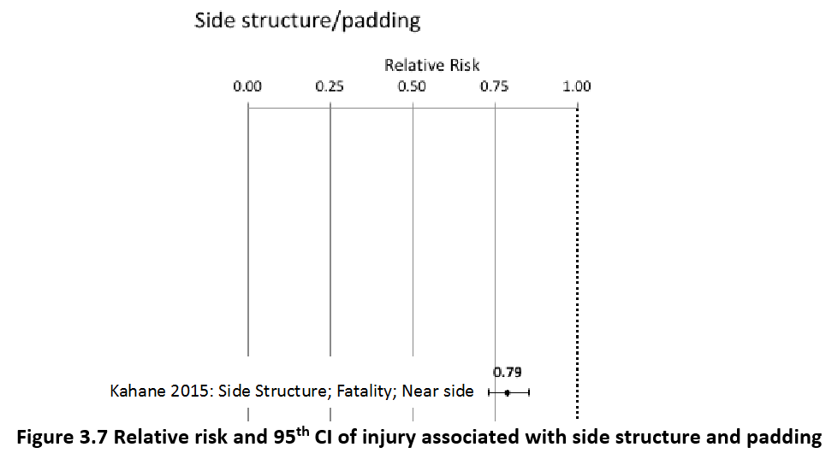
 |  |  |  |  |  |  |  |  |  |  | Pedestrian | Male | 15-19 years | 9 | 621 | 0 | 9.31 | 0.00 | 9
 |  |  |  |  |  |  |  |  |  |  | Pedestrian | Male | 20-24 years | 13 | 915 | 0 | 13.41 | 0.00 | 13
 |  |  |  |  |  |  |  |  |  |  | Pedestrian | Male | 25-29 years | 9 | 852 | 0 | 9.31 | 0.00 | 9
 |  |  |  |  |  |  |  |  |  |  | Pedestrian | Male | 30-34 years | 10 | 648 | 0 | 9.69 | 0.00 | 10
 |  |  |  |  |  |  |  |  |  |  | Pedestrian | Male | 35-39 years | 8 | 503 | 0 | 8.20 | 0.00 | 8
 |  |  |  |  |  |  |  |  |  |  | Pedestrian | Male | 40-44 years | 7 | 387 | 0 | 7.45 | 0.00 | 7
 |  |  |  |  |  |  |  |  |  |  | Pedestrian | Male | 45-49 years | 10 | 329 | 0 | 9.69 | 0.00 | 10
 |  |  |  |  |  |  |  |  |  |  | Pedestrian | Male | 50-54 years | 13 | 324 | 0 | 12.67 | 0.00 | 13
 |  |  |  |  |  |  |  |  |  |  | Pedestrian | Male | 55-59 years | 13 | 290 | 0 | 12.67 | 0.00 | 13
 |  |  |  |  |  |  |  |  |  |  | Pedestrian | Male | 60-64 years | 12 | 195 | 0 | 12.29 | 0.00 | 12
 |  |  |  |  |  |  |  |  |  |  | Pedestrian | Male | 65-69 years | 10 | 89 | 0 | 9.69 | 0.00 | 10
 |  |  |  |  |  |  |  |  |  |  | Pedestrian | Male | 70-74 years | 9 | 63 | 0 | 8.57 | 0.00 | 9
 |  |  |  |  |  |  |  |  |  |  | Pedestrian | Male | 75-79 years | 9 | 54 | 0 | 8.94 | 0.00 | 9
 |  |  |  |  |  |  |  |  |  |  | Pedestrian | Male | 80-84 years | 6 | 26 | 0 | 5.59 | 0.00 | 6
 |  |  |  |  |  |  |  |  |  |  | Pedestrian | Male | 85+ | 3 | 6 | 0 | 3.35 | 0.00 | 3
 |  |  |  |  |  |  |  |  |  |  | Pedestrian | Female | <5 years | 4 | 23 | 0 | 3.73 | 0.00 | 4
 |  |  |  |  |  |  |  |  |  |  | Pedestrian | Female | 5-9 years | 5 | 105 | 0 | 5.22 | 0.00 | 5
 |  |  |  |  |  |  |  |  |  |  | Pedestrian | Female | 10-14 years | 4 | 237 | 0 | 3.73 | 0.00 | 4
 |  |  |  |  |  |  |  |  |  |  | Pedestrian | Female | 15-19 years | 6 | 499 | 0 | 5.96 | 0.00 | 6
 |  |  |  |  |  |  |  |  |  |  | Pedestrian | Female | 20-24 years | 7 | 625 | 0 | 7.08 | 0.00 | 7
 |  |  |  |  |  |  |  |  |  |  | Pedestrian | Female | 25-29 years | 6 | 452 | 0 | 5.96 | 0.00 | 6
 |  |  |  |  |  |  |  |  |  |  | Pedestrian | Female | 30-34 years | 7 | 371 | 0 | 6.71 | 0.00 | 7
 |  |  |  |  |  |  |  |  |  |  | Pedestrian | Female | 35-39 years | 6 | 319 | 0 | 5.96 | 0.00 | 6
 |  |  |  |  |  |  |  |  |  |  | Pedestrian | Female | 40-44 years | 6 | 242 | 0 | 5.59 | 0.00 | 6
 |  |  |  |  |  |  |  |  |  |  | Pedestrian | Female | 45-49 years | 7 | 233 | 0 | 7.08 | 0.00 | 7
 |  |  |  |  |  |  |  |  |  |  | Pedestrian | Female | 50-54 years | 10 | 315 | 0 | 10.06 | 0.00 | 10
 |  |  |  |  |  |  |  |  |  |  | Pedestrian | Female | 55-59 years | 11 | 389 | 0 | 10.80 | 0.00 | 11
 |  |  |  |  |  |  |  |  |  |  | Pedestrian | Female | 60-64 years | 13 | 364 | 0 | 13.04 | 0.00 | 13
 |  |  |  |  |  |  |  |  |  |  | Pedestrian | Female | 65-69 years | 11 | 255 | 0 | 11.18 | 0.00 | 11
 |  |  |  |  |  |  |  |  |  |  | Pedestrian | Female | 70-74 years | 12 | 202 | 0 | 11.55 | 0.00 | 12
 |  |  |  |  |  |  |  |  |  |  | Pedestrian | Female | 75-79 years | 10 | 140 | 0 | 9.69 | 0.00 | 10
 |  |  |  |  |  |  |  |  |  |  | Pedestrian | Female | 80-84 years | 6 | 86 | 0 | 5.59 | 0.00 | 6
...
Cambodia |  |  | perc_baseline |  | perc_target |  | RR_d | RR_i | perc_fatal_side | perc_nonfatal_side
TOTAL | 2891 | 132985 | 2876 | 130162
 |  | Red.Per. | 0.00525 | 0.021231 |  |  |  |  |  |  | Bicyclist | Male | 50-54 years | 5
 |  |  |  |  |  |  |  |  |  |  | Bicyclist | Male | 55-59 years | 5
SIDE STR&PADD | BASELINE DEATHS | BASELINE INJURIES | SIDE STR&PADD | SIDE STR&PADD |  |  |  |  |  |  | Bicyclist | Male | 60-64 years | 4
Pedestrian | 289 | 10639 | 289 | 10639 |  |  |  |  |  |  | Bicyclist | Male | 65-69 years | 3
Bicyclist | 58 | 3990 | 58 | 3990 |  |  |  |  |  |  | Bicyclist | Male | 70-74 years | 2
Motorcyclist | 2110 | 78461 | 2110 | 78461 |  |  |  |  |  |  | Bicyclist | Male | 75-79 years | 0
Occupant | 289 | 39896 | 274 | 37072 |  |  |  |  |  |  | Bicyclist | Male | 80-84 years | 0
Other | 145 | 0 | 145 | 0 |  |  |  |  |  |  | Bicyclist | Male | 85+ | 0
TOTAL | 2891 | 132985 | 2876 | 130162 |  |  |  |  |  |  | Bicyclist | Female | <5 years | 1
Cambodia
 | BASELINE DEATHS | SIDE STR&PADD
Pedestrian | 289 | 289
Bicyclist | 58 | 58
Motorized Two Wheeler | 2110 | 2110
Motorized Three Wheeler | 0 | 0
Car | 289 | 274
Bus | 0 | 0
Truck | 0 | 0
Other | 145 | 145
 |  |  |  |  |  |  |  |  |  |  | Bicyclist | Female | 5-9 years | 1
Cambodia
 | BASELINE INJURIES | SIDE STR&PADD
Pedestrian | 10639 | 10639
Bicyclist | 3990 | 3990
Motorized Two Wheeler | 78461 | 78461
Motorized Three Wheeler | 0 | 0
Car | 39896 | 37072
Bus | 0 | 0
Truck | 0 | 0
Other | 0 | 0
 |  |  |  |  |  |  |  |  |  |  | Bicyclist | Female | 10-14 years | 0
 |  |  |  |  |  |  |  |  |  |  | Bicyclist | Female | 15-19 years | 1
 |  |  |  |  |  |  |  |  |  |  | Bicyclist | Female | 20-24 years | 1
 |  |  |  |  |  |  |  |  |  |  | Bicyclist | Female | 25-29 years | 1
 |  |  |  |  |  |  |  |  |  |  | Bicyclist | Female | 30-34 years | 1
 |  |  |  |  |  |  |  |  |  |  | Bicyclist | Female | 35-39 years | 1
 |  |  |  |  |  |  |  |  |  |  | Bicyclist | Female | 40-44 years | 1
 |  |  |  |  |  |  |  |  |  |  | Bicyclist | Female | 45-49 years | 1
 |  |  |  |  |  |  |  |  |  |  | Bicyclist | Female | 50-54 years | 1
 |  |  |  |  |  |  |  |  |  |  | Bicyclist | Female | 55-59 years | 1
 |  |  |  |  |  |  |  |  |  |  | Bicyclist | Female | 60-64 years | 1
 |  |  |  |  |  |  |  |  |  |  | Bicyclist | Female | 65-69 years | 1
 |  |  |  |  |  |  |  |  |  |  | Bicyclist | Female | 70-74 years | 1
 |  |  |  |  |  |  |  |  |  |  | Bicyclist | Female | 75-79 years | 0
 |  |  |  |  |  |  |  |  |  |  | Bicyclist | Female | 80-84 years | 0
 |  |  |  |  |  |  |  |  |  |  | Bicyclist | Female | 85+ | 0
 |  |  |  |  |  |  |  |  |  |  | Motorized Two Wheeler | Male | <5 years | 16
 |  |  |  |  |  |  |  |  |  |  | Motorized Two Wheeler | Male | 5-9 years | 25
 |  |  |  |  |  |  |  |  |  |  | Motorized Two Wheeler | Male | 10-14 years | 37
 |  |  |  |  |  |  |  |  |  |  | Motorized Two Wheeler | Male | 15-19 years | 291
Cambodia
Cambodia
 |  |  |  |  |  |  |  |  |  |  | Motorized Two Wheeler | Male | 20-24 years | 422
 |  |  |  |  |  |  |  |  |  |  | Motorized Two Wheeler | Male | 25-29 years | 289
 |  |  |  |  |  |  |  |  |  |  | Motorized Two Wheeler | Male | 30-34 years | 177
 |  |  |  |  |  |  |  |  |  |  | Motorized Two Wheeler | Male | 35-39 years | 135
 |  |  |  |  |  |  |  |  |  |  | Motorized Two Wheeler | Male | 40-44 years | 112
 |  |  |  |  |  |  |  |  |  |  | Motorized Two Wheeler | Male | 45-49 years | 92
 |  |  |  |  |  |  |  |  |  |  | Motorized Two Wheeler | Male | 50-54 years | 94
 |  |  |  |  |  |  |  |  |  |  | Motorized Two Wheeler | Male | 55-59 years | 85
 |  |  |  |  |  |  |  |  |  |  | Motorized Two Wheeler | Male | 60-64 years | 32
 |  |  |  |  |  |  |  |  |  |  | Motorized Two Wheeler | Male | 65-69 years | 23
 |  |  |  |  |  |  |  |  |  |  | Motorized Two Wheeler | Male | 70-74 years | 14
 |  |  |  |  |  |  |  |  |  |  | Motorized Two Wheeler | Male | 75-79 years | 5
 |  |  |  |  |  |  |  |  |  |  | Motorized Two Wheeler | Male | 80-84 years | 2
 |  |  |  |  |  |  |  |  |  |  | Motorized Two Wheeler | Male | 85+ | 2
 |  |  |  |  |  |  |  |  |  |  | Motorized Two Wheeler | Female | <5 years | 7
 |  |  |  |  |  |  |  |  |  |  | Motorized Two Wheeler | Female | 5-9 years | 9
 |  |  |  |  |  |  |  |  |  |  | Motorized Two Wheeler | Female | 10-14 years | 9
 |  |  |  |  |  |  |  |  |  |  | Motorized Two Wheeler | Female | 15-19 years | 34
 |  |  |  |  |  |  |  |  |  |  | Motorized Two Wheeler | Female | 20-24 years | 34
 |  |  |  |  |  |  |  |  |  |  | Motorized Two Wheeler | Female | 25-29 years | 25
 |  |  |  |  |  |  |  |  |  |  | Motorized Two Wheeler | Female | 30-34 years | 18
 |  |  |  |  |  |  |  |  |  |  | Motorized Two Wheeler | Female | 35-39 years | 16
 |  |  |  |  |  |  |  |  |  |  | Motorized Two Wheeler | Female | 40-44 years | 16
 |  |  |  |  |  |  |  |  |  |  | Motorized Two Wheeler | Female | 45-49 years | 21
 |  |  |  |  |  |  |  |  |  |  | Motorized Two Wheeler | Female | 50-54 years | 21
 |  |  |  |  |  |  |  |  |  |  | Motorized Two Wheeler | Female | 55-59 years | 21
 |  |  |  |  |  |  |  |  |  |  | Motorized Two Wheeler | Female | 60-64 years | 7
 |  |  |  |  |  |  |  |  |  |  | Motorized Two Wheeler | Female | 65-69 years | 7
 |  |  |  |  |  |  |  |  |  |  | Motorized Two Wheeler | Female | 70-74 years | 5
 |  |  |  |  |  |  |  |  |  |  | Motorized Two Wheeler | Female | 75-79 years | 2
 |  |  |  |  |  |  |  |  |  |  | Motorized Two Wheeler | Female | 80-84 years | 2
...

